Q1
Name | count
MPEG audio file | 3034
Protected AAC audio file | 237
Protected MPEG-4 video file | 214
AAC audio file | 11
Purchased AAC audio file | 7
Tracks by Media Type

 |  | Q1

Q2
Rock | 1297
Latin | 579
Metal | 374
Alternative & Punk | 332
Top 5 Genres
Jazz | 130

Q3
full_name | invoices | total_spendings
Helena Holý | 7 | 49.62
Richard Cunningham | 7 | 47.62
Luis Rojas | 7 | 46.62
Ladislav Kovács | 7 | 45.62
Hugh O'Reilly | 7 | 45.62

Top 5 Spending Customers

Q4
name | count | gross
Iron Maiden | 140 | 138.6
U2 | 107 | 105.93
Metallica | 91 | 90.09
Led Zeppelin | 87 | 86.13
Os Paralamas Do Sucesso | 45 | 44.55

Top 5 Selling Artists

Q5
purchases | country | name | genre_id
9 | Argentina | Rock | 1
9 | Argentina | Alternative & Punk | 4
22 | Australia | Rock | 1
15 | Austria | Rock | 1
21 | Belgium | Rock | 1
81 | Brazil | Rock | 1
107 | Canada | Rock | 1
9 | Chile | Rock | 1
25 | Czech Republic | Rock | 1
21 | Denmark | Rock | 1
18 | Finland | Rock | 1
65 | France | Rock | 1
62 | Germany | Rock | 1
11 | Hungary | Rock | 1
25 | India | Rock | 1
12 | Ireland | Rock | 1
18 | Italy | Rock | 1
18 | Netherlands | Rock | 1
17 | Norway | Rock | 1
22 | Poland | Rock | 1
31 | Portugal | Rock | 1
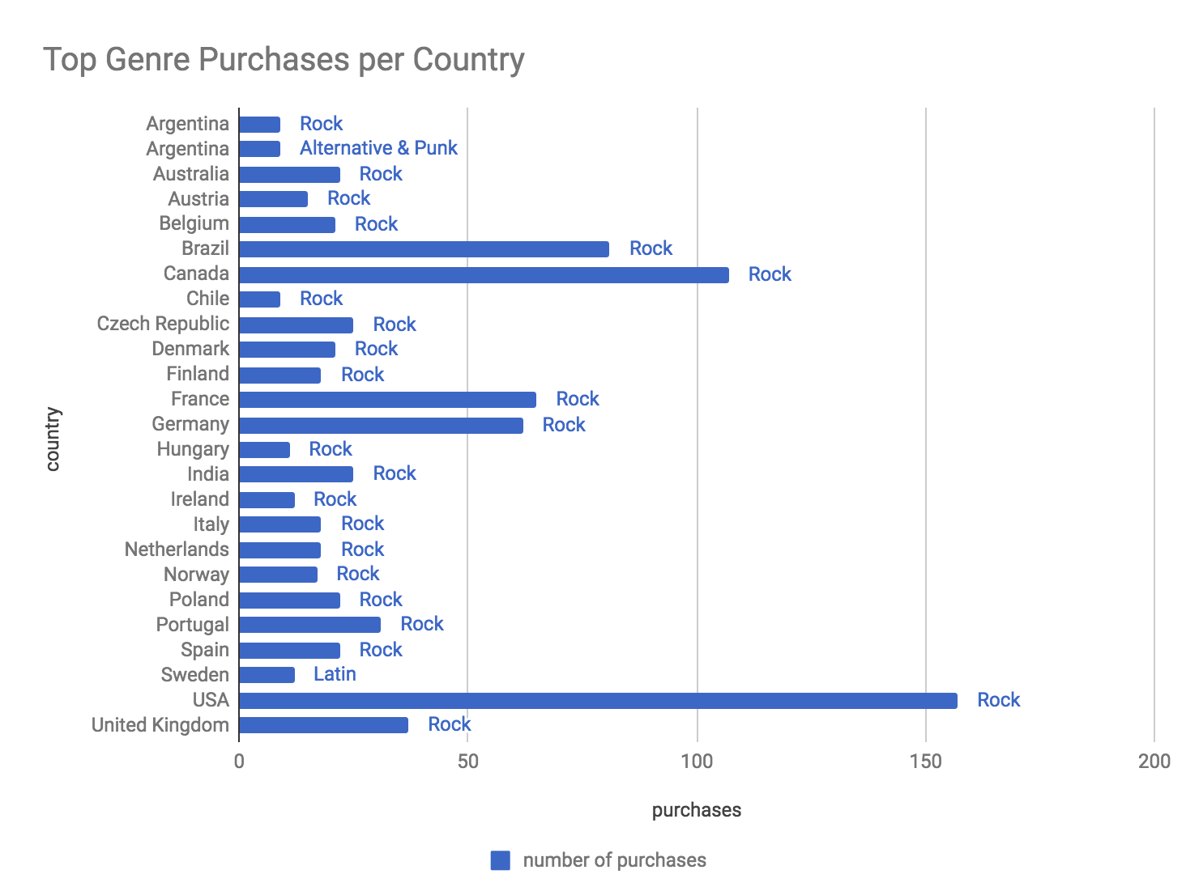
22 | Spain | Rock | 1
12 | Sweden | Latin | 7
157 | USA | Rock | 1
37 | United Kingdom | Rock | 1

